General Instructions
Cuemath Test

Candidate Name:
Current Organization:
Role Applied for:
Cell Phone No.:
Email ID:

SAVE THE WORKBOOK AS YOUR NAME BEFORE STARTING THE TEST (firstname_lastname.xlsb)
EACH SHEET OF THE WORKBOOK SHOULD CONTAIN A SOLUTION TO A SEPARATE QUESTION.

INSTRUCTIONS
1. Check the dump sheet properly to understand the leads data
2. All questions do not have the same score. Try to maximize your score!
3. Retain all the excel formulas used
4. Leave a short note on approach used if you have used some excel features which were not retained in the formula
5. If you need, you can use multiple sheets for your answers, make sure to name all of them relevant to the question

 | MARKING FOR EACH QUESTION
 | Question 1 | 3
 | Question 2 | 2
 | Question 3 | 4
 | Question 4 | 3
 | Question 5 | 8
 | Question 6 | 15
 | Question 7 | 15
 | TOTAL | 50

PROJECT - 4
Based on the production shortages data below, answer the following questions |  |  |  |  |  | SOLUTION: | Pareto Analysis
1. Find out the set of part numbers that are contributing to 80% of the production shortages (commonly known as Pareto Analysis) |  |  |  |  |  | Part Numbers | Calculate Cumulative Percentage: | Determine the Set of Part Numbers Contributing to 80% of Shortages:

Date | Part Number | Commodity Group | Production Shortages (Units) |  |  | Y996D | 0.275 | Keep | <=80%
24-Oct-04 | Y996D | Memory | 51780.8 |  |  | Y996D | 0.133 | Keep | <=80%
25-Oct-04 | Y996D | Memory | 25032.8 |  |  | H298M | 0.046 | Keep | <=80%
20-Oct-04 | H298M | HDD | 8701 |  |  | Part numbers continued…. | 0.039 | Keep | <=80%
25-Oct-04 | PNF3X | Processor | 7425 |  |  |  | 0.025 | Keep | <=80%
12-Oct-04 | PNF3X | Processor | 4790 | Calculate Total Production Shortages | 188056.2 |  | 0.019 | Keep | <=80%
24-Oct-04 | PNF3X | Processor | 3664 |  |  |  | 0.018 | Keep | <=80%
21-Oct-04 | D7D66 | Optical Drives | 3361 | Note:Double Tap on the CELL to access formula |  |  | 0.016 | Keep | <=80%
Set of Part Numbers Contributing to 80% of Shortages: TOP 3
 | Calculate Cumulative Percentage:
Y996D | 0.275
Y996D | 0.133
H298M | 0.046
20-Oct-04 | D7D66 | Optical Drives | 2930 |  |  |  | 0.015 | Keep | <=80%
20-Oct-04 | G622T | HDD | 2774 |  |  |  | 0.012 | Keep | <=80%
21-Oct-04 | 01RKN | HDD | 2265 |  |  |  | 0.010 | Keep | <=80%
25-Oct-04 | G622T | HDD | 1931 |  |  |  | 0.010 | Keep | <=80%
26-Oct-04 | G622T | HDD | 1905 |  |  |  | 0.010 | Keep | <=80%
25-Oct-04 | 3VCPF | Processor | 1870 |  |  |  | 0.008 | Keep | <=80%
14-Oct-04 | D181R | Optical Drives | 1556 |  |  |  | 0.008 | Keep | <=80%
20-Oct-04 | RN225 | HDD | 1539 |  |  |  | 0.008 | Keep | <=80%
17-Oct-04 | X696G | Processor | 1497 |  |  |  | 0.007 | Keep | <=80%
25-Oct-04 | F862T | HDD | 1400 |  |  |  | 0.006 | Keep | <=80%
11-Oct-04 | MYC14 | Processor | 1217 |  |  |  | 0.006 | Keep | <=80%
21-Oct-04 | K983K | Processor | 1193 |  |  |  | 0.006 | Keep | <=80%
17-Oct-04 | K983K | Processor | 1190 |  |  |  | 0.006 | Keep | <=80%
24-Oct-04 | K983K | Processor | 1189 |  |  |  | 0.006 | Keep | <=80%
13-Oct-04 | F804K | Processor | 1180 |  |  |  | 0.006 | Keep | <=80%
21-Oct-04 | F804K | Processor | 1179 |  |  |  | 0.006 | Keep | <=80%
24-Oct-04 | F804K | Processor | 1179 |  |  |  | 0.006 | Keep | <=80%
25-Oct-04 | F804K | Processor | 1179 |  |  |  | 0.006 | Keep | <=80%
11-Oct-04 | F804K | Processor | 1175 |  |  |  | 0.006 | Keep | <=80%
12-Oct-04 | F804K | Processor | 1175 |  |  |  | 0.006 | Keep | <=80%
26-Oct-04 | F804K | Processor | 1173 |  |  |  | 0.006 | Keep | <=80%
20-Oct-04 | K983K | Processor | 1147 |  |  |  | 0.006 | Keep | <=80%
12-Oct-04 | MYC14 | Processor | 1130 |  |  |  | 0.006 | Keep | <=80%
14-Oct-04 | MYC14 | Processor | 1101 |  |  |  | 0.006 | Keep | <=80%
10-Oct-04 | MYC14 | Processor | 1091 |  |  |  | 0.006 | Keep | <=80%
13-Oct-04 | MYC14 | Processor | 1080 |  |  |  | 0.006 | Keep | <=80%
20-Oct-04 | F804K | Processor | 1066 |  |  |  | 0.005 | Keep | <=80%
14-Oct-04 | K983K | Processor | 963 |  |  |  | 0.005 | Keep | <=80%
11-Oct-04 | PNF3X | Processor | 960 |  |  |  | 0.005 | Keep | <=80%
17-Oct-04 | MYC14 | Processor | 931 |  |  |  | 0.004 | Keep | <=80%
10-Oct-04 | J4C3V | Processor | 794 |  |  |  | 0.004 | Keep | <=80%
13-Oct-04 | K983K | Processor | 775 |  |  |  | 0.004 | Keep | <=80%
26-Oct-04 | K093P | Processor | 753 |  |  |  | 0.004 | Keep | <=80%
20-Oct-04 | Y80P7 | Optical Drives | 729 |  |  |  | 0.004 | Keep | <=80%
13-Oct-04 | W889F | Processor | 717 |  |  |  | 0.004 | Keep | <=80%
11-Oct-04 | W889F | Processor | 714 |  |  |  | 0.004 | Keep | <=80%
12-Oct-04 | W889F | Processor | 714 |  |  |  | 0.004 | Keep | <=80%
10-Oct-04 | W889F | Processor | 713 |  |  |  | 0.004 | Keep
12-Oct-04 | G622T | HDD | 709 |  |  |  | 0.004 | Keep
20-Oct-04 | X5VD1 | Optical Drives | 690 |  |  |  | 0.004 | Keep
12-Oct-04 | M399F | Processor | 663 |  |  |  | 0.003 | Keep
25-Oct-04 | K093P | Processor | 654 |  |  |  | 0.003 | Keep
25-Oct-04 | D111N | HDD | 647 |  |  |  | 0.003 | Keep
14-Oct-04 | MP492 | Battery | 633 |  |  |  | 0.003 | Keep
12-Oct-04 | K983K | Processor | 628 |  |  |  | 0.003 | Keep
11-Oct-04 | K983K | Processor | 563 |  |  |  | 0.003 | Keep
25-Oct-04 | K983K | Processor | 518 |  |  |  | 0.003 | Keep
26-Oct-04 | K983K | Processor | 515 |  |  |  | 0.003 | Keep
21-Oct-04 | D111N | HDD | 514 |  |  |  | 0.003 | Keep
12-Oct-04 | NN876 | Memory | 508 |  |  |  | 0.003 | Keep
10-Oct-04 | K983K | Processor | 484 |  |  |  | 0.002 | Keep
13-Oct-04 | H726R | Processor | 447 |  |  |  | 0.002 | Keep
12-Oct-04 | H726R | Processor | 445 |  |  |  | 0.002 | Keep
14-Oct-04 | H726R | Processor | 441 |  |  |  | 0.002 | Keep
11-Oct-04 | H726R | Processor | 434 |  |  |  | 0.002 | Keep
25-Oct-04 | F805K | Processor | 432 |  |  |  | 0.002 | Keep
26-Oct-04 | F805K | Processor | 432 |  |  |  | 0.002 | Keep
24-Oct-04 | X696G | Processor | 420 |  |  |  | 0.002 | Keep
14-Oct-04 | M399F | Processor | 417 |  |  |  | 0.002 | Keep
12-Oct-04 | F805K | Processor | 401 |  |  |  | 0.002 | Keep
13-Oct-04 | F805K | Processor | 401 |  |  |  | 0.002 | Keep
14-Oct-04 | F805K | Processor | 401 |  |  |  | 0.002 | Keep
17-Oct-04 | F805K | Processor | 401 |  |  |  | 0.002 | Keep
17-Oct-04 | G548K | Memory | 392 |  |  |  | 0.002 | Keep
20-Oct-04 | D111N | HDD | 384 |  |  |  | 0.002 | Keep
10-Oct-04 | H726R | Processor | 366 |  |  |  | 0.002 | Keep
13-Oct-04 | K093P | Processor | 340 |  |  |  | 0.002 | Keep
14-Oct-04 | 3VCPF | Processor | 337 |  |  |  | 0.002 | Keep
17-Oct-04 | XP544 | Optical Drives | 336 |  |  |  | 0.002 | Keep
24-Oct-04 | K093P | Processor | 323 |  |  |  | 0.002 | Keep
14-Oct-04 | G548K | Memory | 320 |  |  |  | 0.002 | Keep
14-Oct-04 | F522M | Processor | 310 |  |  |  | 0.002 | Keep
13-Oct-04 | M399F | Processor | 303 |  |  |  | 0.002 | Keep
24-Oct-04 | V3872 | Processor | 296 |  |  |  | 0.002 | Keep
10-Oct-04 | P575R | Processor | 290 |  |  |  | 0.002 | Keep
11-Oct-04 | P575R | Processor | 287 |  |  |  | 0.001 | Keep
12-Oct-04 | F522M | Processor | 278 |  |  |  | 0.001 | Keep
13-Oct-04 | G548K | Memory | 276.8 |  |  |  | 0.001 | Keep
20-Oct-04 | YP777 | HDD | 273 |  |  |  | 0.001 | Keep
20-Oct-04 | P875G | Optical Drives | 265 |  |  |  | 0.001 | Keep
21-Oct-04 | V3872 | Processor | 261 |  |  |  | 0.001 | Keep
14-Oct-04 | XP544 | Optical Drives | 257 |  |  |  | 0.001 | Keep
26-Oct-04 | V3872 | Processor | 256 |  |  |  | 0.001 | Keep
17-Oct-04 | D111N | HDD | 254 |  |  |  | 0.001 | Keep
24-Oct-04 | K556T | HDD | 247 |  |  |  | 0.001 | Keep
12-Oct-04 | G952F | Processor | 236 |  |  |  | 0.001 | Keep
21-Oct-04 | F522M | Processor | 235 |  |  |  | 0.001 | Keep
20-Oct-04 | V3872 | Processor | 230 |  |  |  | 0.001 | Keep
25-Oct-04 | V3872 | Processor | 228 |  |  |  | 0.001 | Keep
21-Oct-04 | K093P | Processor | 198 |  |  |  | 0.001 | Keep
17-Oct-04 | D7D66 | Optical Drives | 193 |  |  |  | 0.001 | Keep
20-Oct-04 | H704F | HDD | 184 |  |  |  | 0.001 | Keep
20-Oct-04 | 03KYX | Processor | 182 |  |  |  | 0.001 | Keep
10-Oct-04 | G728T | HDD | 175 |  |  |  | 0.001 | Keep
11-Oct-04 | F522M | Processor | 169 |  |  |  | 0.001 | Keep
24-Oct-04 | G728T | HDD | 168 |  |  |  | 0.001 | Keep
14-Oct-04 | H384M | Processor | 165 |  |  |  | 0.001 | Keep
10-Oct-04 | V3872 | Processor | 157 |  |  |  | 0.001 | Keep
10-Oct-04 | J106M | Processor | 157 |  |  |  | 0.001 | Keep
13-Oct-04 | G728T | HDD | 155 |  |  |  | 0.001 | Keep
20-Oct-04 | F343G | Processor | 155 |  |  |  | 0.001 | Keep
21-Oct-04 | N530F | HDD | 155 |  |  |  | 0.001 | Keep
14-Oct-04 | V3872 | Processor | 151 |  |  |  | 0.001 | Keep
17-Oct-04 | G728T | HDD | 140 |  |  |  | 0.001 | Keep
12-Oct-04 | G728T | HDD | 139 |  |  |  | 0.001 | Keep
21-Oct-04 | G728T | HDD | 138 |  |  |  | 0.001 | Keep
26-Oct-04 | F342T | HDD | 138 |  |  |  | 0.001 | Keep
20-Oct-04 | F729T | HDD | 137 |  |  |  | 0.001 | Keep
13-Oct-04 | XP544 | Optical Drives | 135 |  |  |  | 0.001 | Keep
25-Oct-04 | F342T | HDD | 134 |  |  |  | 0.001 | Keep
17-Oct-04 | V3872 | Processor | 133 |  |  |  | 0.001 | Keep
11-Oct-04 | G728T | HDD | 130 |  |  |  | 0.001 | Keep
21-Oct-04 | F729T | HDD | 130 |  |  |  | 0.001 | Keep
24-Oct-04 | F729T | HDD | 130 |  |  |  | 0.001 | Keep
26-Oct-04 | F343G | Processor | 128 |  |  |  | 0.001 | Keep
17-Oct-04 | H726R | Processor | 127 |  |  |  | 0.001 | Keep
20-Oct-04 | G631F | HDD | 127 |  |  |  | 0.001 | Keep
12-Oct-04 | XP544 | Optical Drives | 125 |  |  |  | 0.001 | Keep
24-Oct-04 | H726R | Processor | 124 |  |  |  | 0.001 | Keep
21-Oct-04 | H726R | Processor | 123 |  |  |  | 0.001 | Keep
20-Oct-04 | J418T | HDD | 122 |  |  |  | 0.001 | Keep
25-Oct-04 | F343G | Processor | 122 |  |  |  | 0.001 | Keep
13-Oct-04 | H384M | Processor | 118 |  |  |  | 0.001 | Keep
20-Oct-04 | H726R | Processor | 118 |  |  |  | 0.001 | Keep
13-Oct-04 | V3872 | Processor | 117 |  |  |  | 0.001 | Keep
11-Oct-04 | XP544 | Optical Drives | 115 |  |  |  | 0.001 | Keep
20-Oct-04 | K093P | Processor | 112 |  |  |  | 0.001 | Keep
24-Oct-04 | F342T | HDD | 112 |  |  |  | 0.001 | Keep
21-Oct-04 | C593T | Optical Drives | 111 |  |  |  | 0.001 | Keep
24-Oct-04 | F343G | Processor | 106 |  |  |  | 0.001 | Keep
20-Oct-04 | F522M | Processor | 105 |  |  |  | 0.001 | Keep
17-Oct-04 | HT150 | Processor | 103 |  |  |  | 0.001 | Keep
10-Oct-04 | V8835 | Processor | 102 |  |  |  | 0.001 | Keep
14-Oct-04 | HT150 | Processor | 100 |  |  |  | 0.001 | Keep
20-Oct-04 | Y619H | Optical Drives | 97 |  |  |  | 0.000 | Keep
10-Oct-04 | J131J | Processor | 93 |  |  |  | 0.000 | Keep
25-Oct-04 | K556T | HDD | 93 |  |  |  | 0.000 | Keep
12-Oct-04 | G548K | Memory | 92.8 |  |  |  | 0.000 | Keep
12-Oct-04 | M398F | Processor | 91 |  |  |  | 0.000 | Keep
21-Oct-04 | J418T | HDD | 91 |  |  |  | 0.000 | Keep
24-Oct-04 | G731N | HDD | 91 |  |  |  | 0.000 | Keep
25-Oct-04 | G731N | HDD | 91 |  |  |  | 0.000 | Keep
12-Oct-04 | X3R5M | Memory | 90.4 |  |  |  | 0.000 | Keep
13-Oct-04 | HT150 | Processor | 89 |  |  |  | 0.000 | Keep
24-Oct-04 | J418T | HDD | 89 |  |  |  | 0.000 | Keep
26-Oct-04 | G728T | HDD | 89 |  |  |  | 0.000 | Keep
25-Oct-04 | U144H | Processor | 85 |  |  |  | 0.000 | Keep
12-Oct-04 | N641M | Processor | 84 |  |  |  | 0.000 | Keep
20-Oct-04 | G728T | HDD | 82 |  |  |  | 0.000 | Keep
25-Oct-04 | H185K | Processor | 82 |  |  |  | 0.000 | Keep
26-Oct-04 | H185K | Processor | 82 |  |  |  | 0.000 | Keep
11-Oct-04 | N641M | Processor | 78
20-Oct-04 | U738K | HDD | 77
12-Oct-04 | V3872 | Processor | 75
17-Oct-04 | 03KYX | Processor | 75
17-Oct-04 | RU774 | Optical Drives | 74
20-Oct-04 | C2W2N | Processor | 74
12-Oct-04 | N056N | Processor | 73
11-Oct-04 | K374T | Memory | 72.8
12-Oct-04 | H384M | Processor | 72
25-Oct-04 | HT150 | Processor | 72
25-Oct-04 | J418T | HDD | 72
26-Oct-04 | J418T | HDD | 72
21-Oct-04 | HT150 | Processor | 71
24-Oct-04 | U144H | Processor | 71
24-Oct-04 | HT150 | Processor | 71
20-Oct-04 | HT150 | Processor | 70
11-Oct-04 | G952F | Processor | 68
25-Oct-04 | V8835 | Processor | 68
10-Oct-04 | D306F | Processor | 67
10-Oct-04 | N641M | Processor | 66
24-Oct-04 | D306F | Processor | 66
20-Oct-04 | RU774 | Optical Drives | 65
21-Oct-04 | RU774 | Optical Drives | 65
21-Oct-04 | U144H | Processor | 65
20-Oct-04 | D306F | Processor | 64
21-Oct-04 | C2W2N | Processor | 64
21-Oct-04 | D306F | Processor | 64
25-Oct-04 | D306F | Processor | 63
11-Oct-04 | H384M | Processor | 58
14-Oct-04 | K093P | Processor | 58
14-Oct-04 | RU774 | Optical Drives | 58
21-Oct-04 | F343G | Processor | 57
11-Oct-04 | RU774 | Optical Drives | 56
12-Oct-04 | RU774 | Optical Drives | 56
13-Oct-04 | RU774 | Optical Drives | 56
10-Oct-04 | RU774 | Optical Drives | 54
25-Oct-04 | X204R | Processor | 54
10-Oct-04 | H384M | Processor | 53
12-Oct-04 | HT150 | Processor | 53
20-Oct-04 | U144H | Processor | 53
21-Oct-04 | H185K | Processor | 53
24-Oct-04 | 2X1CJ | HDD | 52
26-Oct-04 | M4M08 | Optical Drives | 52
20-Oct-04 | G731N | HDD | 51
21-Oct-04 | G731N | HDD | 51
14-Oct-04 | KMH7P | Optical Drives | 49
17-Oct-04 | V8835 | Processor | 49
25-Oct-04 | G728T | HDD | 49
21-Oct-04 | KMH7P | Optical Drives | 48
26-Oct-04 | J106M | Processor | 48
13-Oct-04 | C2W2N | Processor | 47
21-Oct-04 | G631F | HDD | 47
24-Oct-04 | G631F | HDD | 47
11-Oct-04 | HT150 | Processor | 46
14-Oct-04 | N056N | Processor | 46
26-Oct-04 | V8835 | Processor | 46
12-Oct-04 | F030H | Processor | 45
11-Oct-04 | G548K | Memory | 44.8
11-Oct-04 | V3872 | Processor | 44
14-Oct-04 | 03KYX | Processor | 44
17-Oct-04 | D306F | Processor | 43
14-Oct-04 | C2W2N | Processor | 42
17-Oct-04 | U144H | Processor | 42
25-Oct-04 | M4M08 | Optical Drives | 42
10-Oct-04 | HT150 | Processor | 41
12-Oct-04 | D306F | Processor | 41
13-Oct-04 | D306F | Processor | 41
17-Oct-04 | F343G | Processor | 41
21-Oct-04 | G295T | HDD | 39
25-Oct-04 | T192H | Memory | 38.4
13-Oct-04 | F522M | Processor | 38
14-Oct-04 | X5VD1 | Optical Drives | 38
14-Oct-04 | F343G | Processor | 38
24-Oct-04 | U738K | HDD | 38
14-Oct-04 | V8835 | Processor | 37
26-Oct-04 | 2X1CJ | HDD | 37
20-Oct-04 | M525M | HDD | 36
24-Oct-04 | RU774 | Optical Drives | 36
24-Oct-04 | M525M | HDD | 36
25-Oct-04 | C593T | Optical Drives | 36
13-Oct-04 | V8835 | Processor | 35
11-Oct-04 | M398F | Processor | 34
20-Oct-04 | C234R | Optical Drives | 34
21-Oct-04 | C234R | Optical Drives | 34
21-Oct-04 | M4M08 | Optical Drives | 34
24-Oct-04 | C234R | Optical Drives | 34
25-Oct-04 | C234R | Optical Drives | 34
25-Oct-04 | C2W2N | Processor | 34
26-Oct-04 | C234R | Optical Drives | 34
26-Oct-04 | C2W2N | Processor | 34
13-Oct-04 | F343G | Processor | 33
26-Oct-04 | U738K | HDD | 33
26-Oct-04 | J765R | HDD | 33
25-Oct-04 | Y80P7 | Optical Drives | 32
13-Oct-04 | N056N | Processor | 31
14-Oct-04 | U144H | Processor | 31
14-Oct-04 | D306F | Processor | 31
21-Oct-04 | H384M | Processor | 31
17-Oct-04 | C2W2N | Processor | 30
24-Oct-04 | J765R | HDD | 30
21-Oct-04 | J765R | HDD | 29
17-Oct-04 | M4M08 | Optical Drives | 28
26-Oct-04 | NNKVM | Optical Drives | 28
20-Oct-04 | H426H | Optical Drives | 27
20-Oct-04 | J765R | HDD | 27
21-Oct-04 | H426H | Optical Drives | 27
24-Oct-04 | H384M | Processor | 27
24-Oct-04 | H426H | Optical Drives | 27
24-Oct-04 | NNKVM | Optical Drives | 27
25-Oct-04 | H426H | Optical Drives | 27
11-Oct-04 | D306F | Processor | 26
25-Oct-04 | J765R | HDD | 26
26-Oct-04 | H426H | Optical Drives | 26
20-Oct-04 | H959F | Memory | 25.6
11-Oct-04 | H298M | HDD | 25
12-Oct-04 | C2W2N | Processor | 25
13-Oct-04 | J765R | HDD | 25
14-Oct-04 | J765R | HDD | 25
25-Oct-04 | U738K | HDD | 25
26-Oct-04 | GY581 | HDD | 25
10-Oct-04 | N530F | HDD | 24
12-Oct-04 | J765R | HDD | 24
17-Oct-04 | J765R | HDD | 24
20-Oct-04 | G295T | HDD | 24
25-Oct-04 | NNKVM | Optical Drives | 24
17-Oct-04 | T192H | Memory | 23.2
10-Oct-04 | J765R | HDD | 23
11-Oct-04 | J765R | HDD | 23
14-Oct-04 | M4M08 | Optical Drives | 23
25-Oct-04 | P875G | Optical Drives | 23
11-Oct-04 | F030H | Processor | 22
13-Oct-04 | M4M08 | Optical Drives | 22
21-Oct-04 | NNKVM | Optical Drives | 22
13-Oct-04 | C127J | HDD | 21
14-Oct-04 | C127J | HDD | 21
17-Oct-04 | C127J | HDD | 21
20-Oct-04 | C127J | HDD | 21
26-Oct-04 | P875G | Optical Drives | 21
20-Oct-04 | F309J | Processor | 20
21-Oct-04 | C127J | HDD | 20
24-Oct-04 | C127J | HDD | 20
24-Oct-04 | F309J | Processor | 20
10-Oct-04 | C127J | HDD | 19
11-Oct-04 | C127J | HDD | 19
12-Oct-04 | C127J | HDD | 19
13-Oct-04 | U144H | Processor | 19
21-Oct-04 | F309J | Processor | 19
24-Oct-04 | N056N | Processor | 19
20-Oct-04 | NNKVM | Optical Drives | 18
12-Oct-04 | M4M08 | Optical Drives | 17
13-Oct-04 | 03KYX | Processor | 17
14-Oct-04 | K145G | Optical Drives | 17
25-Oct-04 | GY581 | HDD | 17
11-Oct-04 | M4M08 | Optical Drives | 16
11-Oct-04 | N530F | HDD | 16
24-Oct-04 | V8835 | Processor | 16
24-Oct-04 | C2W2N | Processor | 16
11-Oct-04 | C2W2N | Processor | 15
20-Oct-04 | JN957 | HDD | 14
20-Oct-04 | FY878 | HDD | 14
25-Oct-04 | F309J | Processor | 14
26-Oct-04 | K620H | HDD | 14
13-Oct-04 | T192H | Memory | 13.6
14-Oct-04 | T192H | Memory | 13.6
10-Oct-04 | G115G | Processor | 13
12-Oct-04 | C2072 | Battery | 13
13-Oct-04 | N530F | HDD | 13
14-Oct-04 | C2072 | Battery | 13
26-Oct-04 | F309J | Processor | 13
24-Oct-04 | T192H | Memory | 12.8
10-Oct-04 | K725G | Processor | 12
10-Oct-04 | M469G | Processor | 12
11-Oct-04 | M469G | Processor | 12
11-Oct-04 | K725G | Processor | 12
12-Oct-04 | K725G | Processor | 12
12-Oct-04 | M469G | Processor | 12
13-Oct-04 | M469G | Processor | 12
20-Oct-04 | F805K | Processor | 12
21-Oct-04 | U738K | HDD | 12
21-Oct-04 | F805K | Processor | 12
21-Oct-04 | WP896 | Processor | 12
24-Oct-04 | WP896 | Processor | 12
24-Oct-04 | F805K | Processor | 12
25-Oct-04 | WP896 | Processor | 12
25-Oct-04 | K620H | HDD | 12
25-Oct-04 | M469G | Processor | 12
25-Oct-04 | RU774 | Optical Drives | 12
26-Oct-04 | WP896 | Processor | 12
26-Oct-04 | RU774 | Optical Drives | 12
12-Oct-04 | G889G | Processor | 11
20-Oct-04 | TX269 | Battery | 11
25-Oct-04 | D461F | Processor | 11
25-Oct-04 | 2X1CJ | HDD | 11
26-Oct-04 | D461F | Processor | 11
26-Oct-04 | M469G | Processor | 11
10-Oct-04 | M4M08 | Optical Drives | 10
12-Oct-04 | V8835 | Processor | 10
14-Oct-04 | M469G | Processor | 10
17-Oct-04 | M469G | Processor | 10
20-Oct-04 | M469G | Processor | 10
20-Oct-04 | D171K | HDD | 10
21-Oct-04 | D461F | Processor | 10
21-Oct-04 | M469G | Processor | 10
24-Oct-04 | M469G | Processor | 10
24-Oct-04 | D461F | Processor | 10
25-Oct-04 | J515N | HDD | 10
26-Oct-04 | J515N | HDD | 10
17-Oct-04 | R755K | HDD | 9
20-Oct-04 | Y475P | Processor | 9
12-Oct-04 | J533H | HDD | 8
13-Oct-04 | J533H | HDD | 8
20-Oct-04 | 01TVT | Optical Drives | 8
21-Oct-04 | XR812 | HDD | 8
24-Oct-04 | XR812 | HDD | 8
25-Oct-04 | XR812 | HDD | 8
26-Oct-04 | XR812 | HDD | 8
11-Oct-04 | J533H | HDD | 7
14-Oct-04 | NNKVM | Optical Drives | 7
17-Oct-04 | NNKVM | Optical Drives | 7
24-Oct-04 | H185K | Processor | 7
25-Oct-04 | R755K | HDD | 7
26-Oct-04 | R755K | HDD | 7
20-Oct-04 | G484D | Memory | 6.4
12-Oct-04 | NT417 | HDD | 5
13-Oct-04 | FN679 | Optical Drives | 5
17-Oct-04 | JN957 | HDD | 5
20-Oct-04 | D461F | Processor | 5
25-Oct-04 | J406F | HDD | 5
10-Oct-04 | K859M | Optical Drives | 4
10-Oct-04 | R755K | HDD | 4
10-Oct-04 | WP896 | Processor | 4
11-Oct-04 | V8835 | Processor | 4
11-Oct-04 | G889G | Processor | 4
11-Oct-04 | R755K | HDD | 4
20-Oct-04 | WP896 | Processor | 4
24-Oct-04 | D171K | HDD | 4
10-Oct-04 | F030H | Processor | 3
10-Oct-04 | FN679 | Optical Drives | 3
11-Oct-04 | WP896 | Processor | 3
12-Oct-04 | K145G | Optical Drives | 3
12-Oct-04 | WP896 | Processor | 3
12-Oct-04 | R755K | HDD | 3
13-Oct-04 | R755K | HDD | 3
13-Oct-04 | K145G | Optical Drives | 3
13-Oct-04 | WP896 | Processor | 3
14-Oct-04 | WP896 | Processor | 3
14-Oct-04 | R755K | HDD | 3
17-Oct-04 | X5VD1 | Optical Drives | 3
17-Oct-04 | WP896 | Processor | 3
17-Oct-04 | 01TVT | Optical Drives | 3
25-Oct-04 | X5VD1 | Optical Drives | 3
26-Oct-04 | C127J | HDD | 3
11-Oct-04 | K145G | Optical Drives | 2
13-Oct-04 | 01TVT | Optical Drives | 2
14-Oct-04 | 01TVT | Optical Drives | 2
14-Oct-04 | J533H | HDD | 2
17-Oct-04 | D270R | Processor | 2
17-Oct-04 | Y9NHH | Processor | 2
20-Oct-04 | H986H | Battery | 2
20-Oct-04 | F137T | Optical Drives | 2
20-Oct-04 | D270R | Processor | 2
21-Oct-04 | F137T | Optical Drives | 2
21-Oct-04 | X036C | HDD | 2
21-Oct-04 | D270R | Processor | 2
24-Oct-04 | F137T | Optical Drives | 2
24-Oct-04 | D270R | Processor | 2
25-Oct-04 | F137T | Optical Drives | 2
25-Oct-04 | D270R | Processor | 2
25-Oct-04 | C127J | HDD | 2
26-Oct-04 | F137T | Optical Drives | 2
26-Oct-04 | D270R | Processor | 2
13-Oct-04 | FY878 | HDD | 1
13-Oct-04 | F309J | Processor | 1
14-Oct-04 | D270R | Processor | 1
14-Oct-04 | FY878 | HDD | 1
14-Oct-04 | F309J | Processor | 1
17-Oct-04 | K145G | Optical Drives | 1
17-Oct-04 | FY878 | HDD | 1
17-Oct-04 | F309J | Processor | 1
20-Oct-04 | HT952 | HDD | 1
20-Oct-04 | FY291 | HDD | 1
20-Oct-04 | C123J | HDD | 1
21-Oct-04 | HFDX0 | HDD | 1
21-Oct-04 | W8TYX | HDD | 1
21-Oct-04 | FY291 | HDD | 1
24-Oct-04 | FY291 | HDD | 1
25-Oct-04 | FY291 | HDD | 1
25-Oct-04 | FY878 | HDD | 1
26-Oct-04 | FY878 | HDD | 1
26-Oct-04 | FY291 | HDD | 1
26-Oct-04 | Y9NHH | Processor | 1
11-Oct-04 | J280T | Memory | 0.8
12-Oct-04 | J280T | Memory | 0.8
21-Oct-04 | T192H | Memory | 0.8
 |  |  | 188056.2

PROJECT - 5
SOLUTIONS & APPROACH:

A small company is shutting down its India operations and wants to retrench all its employees. It has 2 options for the retrenchment payout:
Option 1: Give 1 month salary to the employees for each year left till retirement (retirement age = 60)
Option 2: Give 1 month salary for each year completed with the company

Basis this, answer the following questions:
1 | Which of these 2 options would be beneficial to the company (lower total payout)? |  |  |  |  | BEST OPTION 1 |  |  |  | KIND NOTE:Request to Double tap on the cells to fetch the formula's implemented & the approach
2 | For which of these 2 options more employees are benefitted? |  |  |  |  | BEST OPTION 2
3 | Which of these 2 options is more beneficial for most senior management (salary > Rs 7,00,000 per annum)? |  |  |  |  |  | BEST OPTION 2

Take today's date as
Today | 2010-06-17
 |  |  |  |  | SOLUTION:
Employee Number | Joining Date | Date of Birth | Annual Salary (Rs) | Age | STEP 1:Calculate the Years Left Till Retirement (Assuming retirement age is =60): | STEP2:Calculate the Years Completed with the Company: | STEP3: Calculate the Payout for Option 1: | STEP 3:Calculate the Payout for Option 2:
1 | 14-Oct-96 | 1960-10-29 05:00:37 | 647593 | 49 | 11 | 13 | 593627.34524 | 701559.59 | Qn.1 | Which of these 2 options would be beneficial to the company (lower total payout)? |  |  |  | SOLUTION
2 | 13-Jan-95 | 4-Sep-65 | 627099 | 44 | 16 | 15 | 836132.50686 | 783874.23 |  | PAYOUT FOR OPTION 1 | BEST IS OPTION 1 | PAYOUT FOR OPTION 2 | BEST OPTION | Qn3. | Which of these 2 options is more beneficial for most senior management (salary > Rs 7,00,000 per annum)?
3 | 26-Jul-95 | 30-May-68 | 238730 | 42 | 18 | 14 | 358094.92511 | 278518.28 |  | ₹ 57,098,313.09 |  | ₹ 59,837,029.43 |  | OPTION1: |  | BEST OPTION 2:
BEST PAYOUTS FOR COST-CUTTING
PAYOUT FOR OPTION 1 | 57098313.087
BEST IS OPTION 1
PAYOUT FOR OPTION 2 | 59837029.43
4 | 15-Apr-96 | 25-Oct-67 | 646393 | 42 | 18 | 14 | 969589.31687 | 754125.02 |  |  |  |  |  | 12,025,066.72 |  | 13,988,652.92
5 | 23-Mar-00 | 14-Dec-72 | 288493 | 37 | 23 | 10 | 552944.49408 | 240410.65
6 | 24-Mar-99 | 9-Dec-64 | 210628 | 45 | 15 | 11 | 263284.86436 | 193075.57
7 | 17-Jun-93 | 26-Feb-57 | 347418 | 53 | 7 | 17 | 202660.27886 | 492174.96
8 | 25-Apr-97 | 19-Jul-66 | 372843 | 43 | 17 | 13 | 528194.37546 | 403913.35
9 | 3-May-94 | 7-Jul-63 | 791634 | 46 | 14 | 16 | 923572.58958 | 1055511.53
10 | 22-Sep-86 | 28-Oct-56 | 298692 | 53 | 7 | 23 | 174236.97083 | 572492.90
11 | 11-Nov-01 | 18-Sep-70 | 642075 | 39 | 21 | 8 | 1123631.2332 | 428049.99
12 | 10-Nov-97 | 6-Nov-61 | 490500 | 48 | 12 | 12 | 490499.78587 | 490499.79
13 | 8-Mar-89 | 30-Sep-57 | 692357 | 52 | 8 | 21 | 461571.59527 | 1211625.44
14 | 10-Aug-93 | 23-Dec-62 | 487608 | 47 | 13 | 16 | 528241.76631 | 650143.71
15 | 6-Feb-93 | 17-Jan-56 | 746876 | 54 | 6 | 17 | 373437.9061 | 1058074.07
16 | 11-Jun-95 | 29-Sep-67 | 791973 | 42 | 18 | 15 | 1187959.7516 | 989966.46
17 | 31-Aug-93 | 18-Feb-56 | 487789 | 54 | 6 | 16 | 243894.68597 | 650385.83
18 | 27-Aug-86 | 6-Oct-57 | 411705 | 52 | 8 | 23 | 274469.94734 | 789101.10
19 | 16-Aug-01 | 9-Sep-65 | 309242 | 44 | 16 | 8 | 412323.19458 | 206161.60
20 | 23-Mar-97 | 28-Jan-58 | 323489 | 52 | 8 | 13 | 215659.31705 | 350446.39
21 | 27-Oct-99 | 17-Dec-67 | 740017 | 42 | 18 | 10 | 1110026.1316 | 616681.18
22 | 7-Sep-98 | 26-Feb-72 | 359485 | 38 | 22 | 11 | 659056.31477 | 329528.16 | SOLUTION
23 | 14-Jun-89 | 13-Nov-55 | 471664 | 54 | 6 | 21 | 235831.99581 | 825411.99 | Qn.2 | For which of these 2 options more employees are benefitted?
24 | 13-Oct-96 | 16-Nov-57 | 661920 | 52 | 8 | 13 | 441279.68286 | 717079.48
25 | 16-Apr-01 | 9-Feb-74 | 586913 | 36 | 24 | 9 | 1173825.7257 | 440184.65 |  | For Option 1 (count of employees benefiting from Option 1): | For Option 2 (count of employees benefiting from Option 2): | MORE EMPLOYEES ARE BENIFITTED BY OPTION 2
26 | 6-Jun-94 | 25-Jun-65 | 244341 | 44 | 16 | 16 | 325788.36053 | 325788.36 |  | 30 | 50 | 5436
27 | 11-May-92 | 12-Jul-60 | 401089 | 49 | 11 | 18 | 367665.07885 | 601633.77 |  | 25 | 18
28 | 4-Dec-88 | 2-Sep-54 | 365202 | 55 | 5 | 21 | 152167.37682 | 639102.98 |  | 76 | 74
29 | 12-Jan-93 | 29-Jun-55 | 460493 | 54 | 6 | 17 | 230246.72654 | 652365.73 |  | 26 | 14
30 | 6-Sep-85 | 12-Oct-56 | 787290 | 53 | 7 | 24 | 459252.5355 | 1574580.12 |  | 83 | 54
31 | 23-Feb-03 | 4-Jan-74 | 688394 | 36 | 24 | 7 | 1376788.9842 | 401563.45 |  | 93 | 87
32 | 20-Jul-90 | 5-May-63 | 683822 | 47 | 13 | 19 | 740807.07647 | 1082718.03 |  | 46 | 96
33 | 6-Sep-02 | 13-Dec-67 | 411974 | 42 | 18 | 7 | 617960.27798 | 240317.89 |  | 61 | 54
34 | 2-Mar-91 | 13-Jun-55 | 582069 | 55 | 5 | 19 | 242528.92581 | 921609.92 |  | 11 | 16
35 | 16-Sep-98 | 20-Jan-59 | 402614 | 51 | 9 | 11 | 301960.50518 | 369062.84 |  | 42 | 98
36 | 2-Sep-03 | 6-Dec-72 | 516126 | 37 | 23 | 6 | 989242.38836 | 258063.23 |  | 56 | 5
37 | 28-Jun-03 | 13-May-73 | 541326 | 37 | 23 | 6 | 1037541.5992 | 270663.03 |  | 46 | 57
38 | 26-Apr-92 | 20-Jan-64 | 284178 | 46 | 14 | 18 | 331540.83103 | 426266.78 |  | 5 | 61
39 | 19-May-90 | 14-May-58 | 585028 | 52 | 8 | 20 | 390018.68448 | 975046.71 |  | 34 | 54
40 | 31-Oct-97 | 16-Oct-59 | 483098 | 50 | 10 | 12 | 402581.97716 | 483098.37 |  | 11 | 72
41 | 19-Jun-93 | 14-May-63 | 287712 | 47 | 13 | 17 | 311688.36389 | 407592.48 |  | 15 | 5
42 | 20-Dec-91 | 6-May-61 | 696708 | 49 | 11 | 18 | 638649.10455 | 1045062.17 |  | 34 | 89
43 | 28-Dec-92 | 6-Aug-54 | 567111 | 55 | 5 | 17 | 236296.11538 | 803406.79 |  | 25 | 84
44 | 19-Aug-94 | 21-Jan-62 | 389639 | 48 | 12 | 15 | 389639.21976 | 487049.02 |  | 91 | 67
45 | 12-May-91 | 7-Sep-63 | 298653 | 46 | 14 | 19 | 348428.87465 | 472867.76 |  | 70 | 93
46 | 23-Aug-91 | 16-Nov-60 | 447952 | 49 | 11 | 18 | 410622.52031 | 671927.76 |  | 37 | 5
47 | 19-Jan-98 | 2-Dec-64 | 663042 | 45 | 15 | 12 | 828802.06971 | 663041.66 |  | 72 | 38
48 | 3-Aug-91 | 29-Aug-62 | 623725 | 47 | 13 | 18 | 675702.38717 | 935587.92 |  | 24 | 92
49 | 28-Dec-92 | 30-Mar-64 | 722050 | 46 | 14 | 17 | 842391.63993 | 1022904.13 |  | 28 | 63
50 | 3-Sep-94 | 31-May-66 | 780231 | 44 | 16 | 15 | 1040308.25 | 975288.98 |  | 53 | 5
51 | 1-Nov-01 | 3-Feb-72 | 627232 | 38 | 22 | 8 | 1149925.7101 | 418154.80 |  | 72 | 78
52 | 2-May-98 | 29-Nov-68 | 448952 | 41 | 19 | 12 | 710840.38565 | 448951.82 |  | 38 | 73
53 | 22-Apr-97 | 6-Sep-67 | 310754 | 42 | 18 | 13 | 466131.01232 | 336650.18 |  | 34 | 99
54 | 4-Apr-92 | 27-Sep-60 | 450693 | 49 | 11 | 18 | 413134.94556 | 676039.00 |  | 34 | 93
55 | 10-Apr-93 | 8-May-63 | 552915 | 47 | 13 | 17 | 598991.30728 | 783296.32 |  | 0 | 61
56 | 17-Mar-88 | 22-Sep-56 | 762592 | 53 | 7 | 22 | 444845.54925 | 1398086.01 |  | 63 | 2
57 | 27-Jul-87 | 5-Oct-57 | 730127 | 52 | 8 | 22 | 486751.0326 | 1338565.34 |  | 10 | 28
58 | 5-Nov-02 | 22-Aug-71 | 416975 | 38 | 22 | 7 | 764454.00945 | 243235.37 |  | 83 | 47
59 | 28-Dec-99 | 23-Mar-73 | 668870 | 37 | 23 | 10 | 1281999.9141 | 557391.27 |  | 19 | 90
60 | 21-Mar-94 | 19-Jan-57 | 227371 | 53 | 7 | 16 | 132632.8533 | 303160.81 |  | 67 | 82
61 | 23-Aug-88 | 22-Jul-56 | 727709 | 53 | 7 | 21 | 424497.03748 | 1273491.11 |  | 79 | 12
62 | 10-Aug-91 | 14-Dec-57 | 250221 | 52 | 8 | 18 | 166813.95702 | 375331.40 |  | 78 | 10
63 | 31-Mar-95 | 9-Jun-67 | 498038 | 43 | 17 | 15 | 705554.19382 | 622547.82 |  | 56 | 76
64 | 8-Sep-97 | 18-Sep-68 | 670178 | 41 | 19 | 12 | 1061115.7645 | 670178.38 |  | 17 | 70
65 | 27-Sep-02 | 16-Oct-73 | 208821 | 36 | 24 | 7 | 417641.21619 | 121812.02 |  | 48 | 69
66 | 2-Oct-95 | 17-Feb-64 | 782563 | 46 | 14 | 14 | 912990.19152 | 912990.19 |  | 61 | 79
67 | 19-Oct-00 | 27-Apr-70 | 355710 | 40 | 20 | 9 | 592850.72895 | 266782.83 |  | 11 | 44
68 | 28-Jun-03 | 23-Oct-68 | 653203 | 41 | 19 | 6 | 1034237.4757 | 326601.31 |  | 25 | 92
69 | 29-Nov-96 | 16-Jan-64 | 577798 | 46 | 14 | 13 | 674098.08647 | 625948.22 |  | 47 | 70
70 | 12-Jan-87 | 21-Mar-55 | 559820 | 55 | 5 | 23 | 233258.5027 | 1072989.11 |  | 48 | 75
71 | 17-Aug-93 | 19-Jul-59 | 342508 | 50 | 10 | 16 | 285423.04419 | 456676.87 |  | 32 | 67
72 | 9-Jan-93 | 26-May-61 | 674914 | 49 | 11 | 17 | 618671.48103 | 956128.65 |  | 32 | 18
73 | 4-Dec-03 | 2-Mar-74 | 618056 | 36 | 24 | 6 | 1236111.8298 | 309027.96 |  | 18 | 35
74 | 30-Nov-92 | 14-Jan-56 | 551698 | 54 | 6 | 17 | 275848.97508 | 781572.10 |  | 15 | 18
75 | 26-Nov-92 | 20-Mar-55 | 525112 | 55 | 5 | 17 | 218796.48758 | 743908.06 |  | 17 | 10
76 | 4-Jan-96 | 19-Jan-66 | 323982 | 44 | 16 | 14 | 431976.57106 | 377979.50 |  | 57 | 5
77 | 3-Jun-96 | 4-Sep-55 | 243140 | 54 | 6 | 14 | 121570.02314 | 283663.39 |  | 51 | 30
78 | 5-Dec-98 | 5-Nov-64 | 705006 | 45 | 15 | 11 | 881257.41009 | 646255.43 |  | 71 | 61
79 | 30-Aug-95 | 26-Dec-59 | 201329 | 50 | 10 | 14 | 167774.32735 | 234884.06 |  | 30 | 67
80 | 24-Sep-99 | 30-Nov-72 | 755997 | 37 | 23 | 10 | 1448994.6068 | 629997.66 |  | 25 | 49
81 | 15-Feb-01 | 25-Aug-69 | 217154 | 40 | 20 | 9 | 361922.68455 | 162865.21 |  | 2 | 63
82 | 5-Aug-90 | 11-Jul-55 | 411320 | 54 | 6 | 19 | 205659.75336 | 651255.89 |  | 3 | 59
83 | 13-Mar-04 | 17-Sep-73 | 406164 | 36 | 24 | 6 | 812328.03578 | 203082.01 |  | 80 | 25
84 | 11-Mar-96 | 12-Oct-61 | 223041 | 48 | 12 | 14 | 223040.72188 | 260214.18 |  | 42 | 3
85 | 12-Jan-96 | 8-Jul-64 | 583944 | 45 | 15 | 14 | 729930.58896 | 681268.55 |  | 74 | 99
86 | 19-Feb-89 | 4-Aug-55 | 463255 | 54 | 6 | 21 | 231627.7399 | 810697.09 |  | 4 | 66
87 | 4-May-00 | 16-Jul-72 | 210690 | 37 | 23 | 10 | 403823.40607 | 175575.39 |  | 65 | 98
88 | 29-Nov-93 | 9-Nov-64 | 421836 | 45 | 15 | 16 | 527295.56186 | 562448.60 |  | 35 | 30
89 | 11-May-97 | 7-Apr-68 | 287019 | 42 | 18 | 13 | 430527.998 | 310936.89 |  | 32 | 7
90 | 24-Apr-91 | 3-Jul-63 | 377256 | 46 | 14 | 19 | 440132.42111 | 597322.57 |  | 99 | 67
91 | 10-Mar-89 | 10-Mar-59 | 323379 | 51 | 9 | 21 | 242534.23122 | 565913.21 |  | 19 | 17
92 | 7-Jan-01 | 5-Dec-66 | 690352 | 43 | 17 | 9 | 977998.64964 | 517763.99 |  | 78 | 50
93 | 24-Dec-01 | 1-Feb-74 | 744391 | 36 | 24 | 8 | 1488782.084 | 496260.69 |  | 72 | 10
94 | 16-Jan-93 | 11-Apr-56 | 483618 | 54 | 6 | 17 | 241808.96839 | 685125.41 |  | 35 | 35
95 | 6-Sep-99 | 30-Dec-63 | 319500 | 46 | 14 | 10 | 372750.48849 | 266250.35 |  | 10 | 93
96 | 15-Dec-97 | 12-Mar-69 | 365452 | 41 | 19 | 12 | 578631.59611 | 365451.53 |  | 51 | 82
97 | 3-Feb-96 | 12-Jul-61 | 604424 | 48 | 12 | 14 | 604423.98246 | 705161.31 |  | 18 | 47
98 | 21-Mar-98 | 25-May-59 | 203101 | 51 | 9 | 12 | 152325.73413 | 203100.98 |  | 74 | 4
99 | 19-Jan-96 | 4-Nov-69 | 622671 | 40 | 20 | 14 | 1037784.2288 | 726448.96 |  | 25 | 84
100 | 7-Sep-95 | 25-Jan-62 | 653129 | 48 | 12 | 14 | 653129.00713 | 761983.84 |  | 26 | 93
 |  |  |  |  |  |  |  |  |  | 65 | 64
 |  |  |  |  |  |  |  |  |  | 76 | 100
 |  |  |  |  |  |  |  |  |  | 34 | 18
 |  |  |  |  |  |  |  |  |  | 85 | 98
 |  |  |  |  |  |  |  |  |  | 35 | 1
 |  |  |  |  |  |  |  |  |  | 96 | 74
 |  |  |  |  |  |  |  |  |  | 34 | 94
 |  |  |  |  |  |  |  |  |  | 92 | 19
 |  |  |  |  |  |  |  |  |  | 79 | 93
 |  |  |  |  |  |  |  |  |  | 30 | 28
 |  |  |  |  |  |  |  |  |  | 25 | 93
 |  |  |  |  |  |  |  |  |  | 93 | 69
 |  |  |  |  |  |  |  |  |  | 42 | 54
 |  |  |  |  |  |  |  |  |  | 74 | 64
 |  |  |  |  |  |  |  |  |  | 39 | 64
 |  |  |  |  |  |  |  |  |  | 42 | 90
 |  |  |  |  |  |  |  |  |  | 46 | 12
 |  |  |  |  |  |  |  |  |  | 46 | 1
 |  |  |  |  |  |  |  |  |  | 30 | 90
 |  |  |  |  |  |  |  |  |  | 78 | 72
 |  |  |  |  |  |  |  |  |  | 68 | 50
 |  |  |  |  |  |  |  |  |  | 30 | 48
 |  |  |  |  |  |  |  |  |  | 92 | 99
 |  |  |  |  |  |  |  |  |  | 28 | 10
 |  |  |  |  |  |  |  |  |  | 26 | 38
 |  |  |  |  |  |  |  |  |  | 4563 | 5436

PROJECT - 7
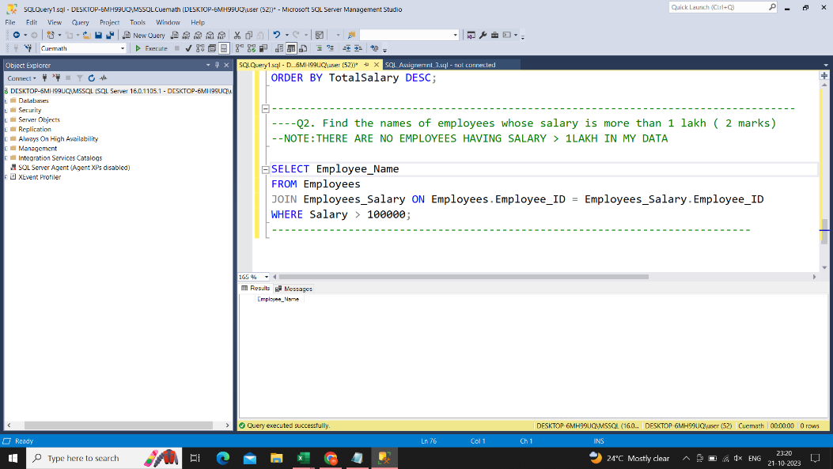
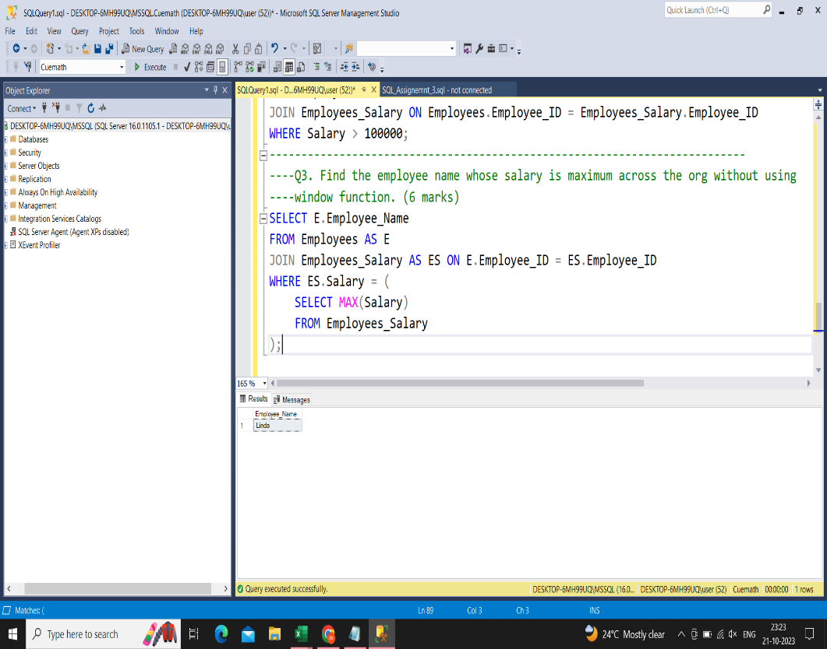
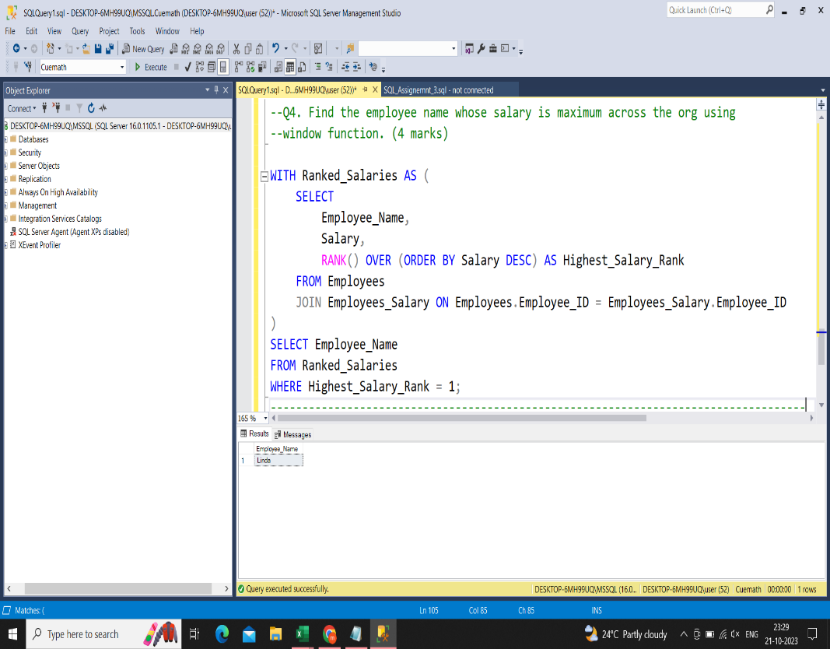
Table1 :: Employees |  | Table2 :: Employees Salary
Column Names | Data Type | Column Names | Data Type
Employee ID | Integer | Employee ID | Integer
Employee Name | varchar2(15) | Salary | decimal(10,2)
Gender | varchar2(15)
Department | varchar2(15)
Designation | varchar2(15)
Manager ID | Integer

Calculate the department wise total salary and arrange them in the descending order ( 3 Marks)
Find the names of employees whose salary is more than 1 lakh ( 2 marks)
Find the employee name whose salary is maximum across the org without using window function. (6 marks)
Find the employee name whose salary is maximum across the org using window function. (4 marks)

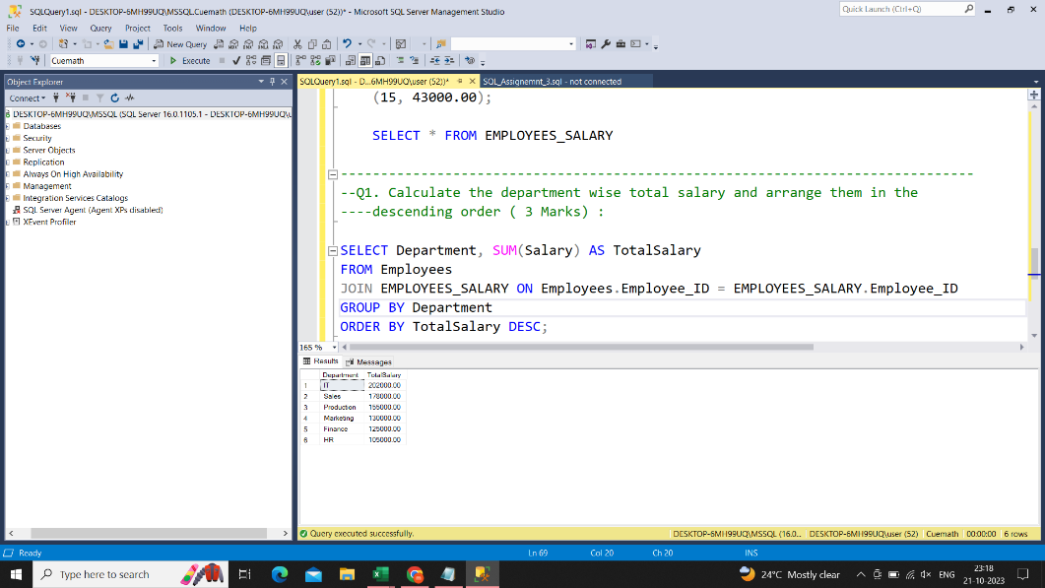
You can use notepad for wrting sql queries and share along with the file

